Sheet1
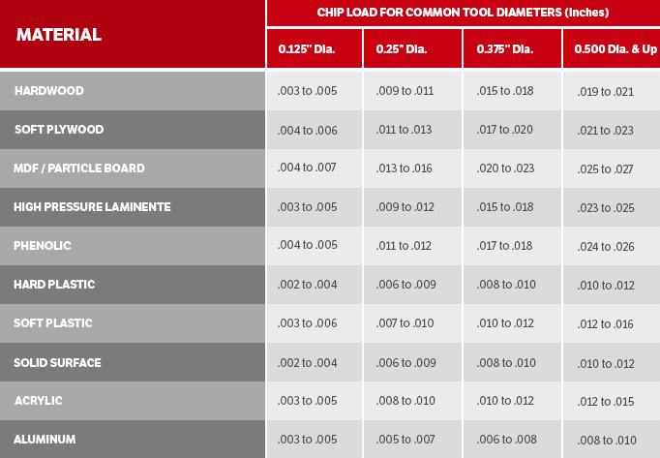
Bit Dia | chipload | flutes | rpm | DoC | CED Factor | IPM
0.125 | 0.004 | 2 | 24000 | 0.125 | 1.000 | 192 | CED | Factor
0.125 | 0.004 | 2 | 24000 | 0.250 | 0.750 | 144 | 1 | 1
0.125 | 0.004 | 2 | 24000 | 0.375 | 0.502 | 96 | 2 | 0.75
 |  |  |  |  |  |  | 3 | 0.5
0.250 | 0.011 | 2 | 24000 | 0.250 | 1.000 | 528
0.250 | 0.011 | 2 | 24000 | 0.500 | 0.750 | 396
0.250 | 0.011 | 2 | 24000 | 0.750 | 0.500 | 264

0.375 | 0.017 | 2 | 19160 | 0.500 | 0.917 | 597
0.375 | 0.017 | 2 | 21200 | 0.625 | 0.833 | 601
0.375 | 0.017 | 2 | 23500 | 0.750 | 0.750 | 599

0.500 | 0.021 | 2 | 14300 | 0.500 | 1.000 | 601
0.500 | 0.021 | 2 | 15300 | 0.625 | 0.938 | 602
0.500 | 0.021 | 2 | 16400 | 0.750 | 0.875 | 603

